Required for next Session
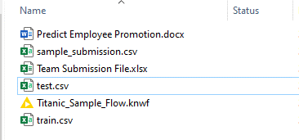
Resources | Presentation Day
 | 1/ Knime Workflow
 | 2/ Project Steps - Filled
 | 3/ F1 and Accuracy Metrics
 | 4/ Output File with 2 Columns

